Waterfall
Nintendo March Sales
 | Running Total | Bottom | Top
2023-02-28 |  | 0 | 300000
2023-03-01 | 250000 | 50000 | 0
2023-03-02 | 250000 | 0 | 20000
2023-03-03 | 270000 | 0 | 20971
2023-03-04 | 265971 | 25000 | 0
2023-03-05 | 265971 | 0 | 26401
2023-03-06 | 292372 | 0 | 22525
2023-03-07 | 314897 | 0 | 73199
2023-03-08 | 323096 | 65000 | 0
2023-03-09 | 323096 | 0 | 58976
2023-03-10 | 382072 | 0 | 89495
2023-03-11 | 471567 | 0 | 86357
2023-03-12 | 557924 | 0 | 82801
2023-03-13 | 564919 | 75806 | 0
2023-03-14 | 564919 | 0 | 84073
2023-03-15 | 648992 | 0 | 83831
2023-03-16 | 732823 | 0 | 0
Nintendo March Sales
Date | Description | Amount | Sno | Running Total | Bottom | Top
2023-03-01 | Opening Balance | ₹ 300,000 | 2023-02-28 |  | 0 | 300000
2023-03-01 | Advertisement | ₹ -50,000 | 2023-03-01 | 250000 | 50000 | 0
2023-03-02 | Sales | ₹ 20,000 | 2023-03-02 | 250000 | 0 | 20000
2023-03-03 | Sales | ₹ 20,971 | 2023-03-03 | 270000 | 0 | 20971
2023-03-04 | Advertisement | ₹ -25,000 | 2023-03-04 | 265971 | 25000 | 0
2023-03-05 | Sales | ₹ 26,401 | 2023-03-05 | 265971 | 0 | 26401
2023-03-06 | Sales | ₹ 22,525 | 2023-03-06 | 292372 | 0 | 22525
2023-03-07 | Sales | ₹ 73,199 | 2023-03-07 | 314897 | 0 | 73199
2023-03-08 | Advertisement | ₹ -65,000 | 2023-03-08 | 323096 | 65000 | 0
2023-03-09 | Sales | ₹ 58,976 | 2023-03-09 | 323096 | 0 | 58976
2023-03-10 | Sales | ₹ 89,495 | 2023-03-10 | 382072 | 0 | 89495
2023-03-11 | Sales | ₹ 86,357 | 2023-03-11 | 471567 | 0 | 86357
2023-03-12 | Sales | ₹ 82,801 | 2023-03-12 | 557924 | 0 | 82801
2023-03-13 | Advertisement | ₹ -75,806 | 2023-03-13 | 564919 | 75806 | 0
2023-03-14 | Sales | ₹ 84,073 | 2023-03-14 | 564919 | 0 | 84073
2023-03-15 | Sales | ₹ 83,831 | 2023-03-15 | 648992 | 0 | 83831
2023-03-15 | Closing Balance | ₹ 732,823 | 2023-03-16 | 732823 | 0 | 0

Funnel
Sales Funnel
Sales Funnel | Students
Advertisement - Target | 1000
Inquiry | 800
Eligible | 300
Proposal | 120
Close | 80

 | Inv Bar | Students
Advertisement - Target | 0 | 1000
Inquiry | 100 | 800
Eligible | 350 | 300
Proposal | 440 | 120
Close | 460 | 80

Combo Chart
Basic Cost Vs Sales Vs Profitability - March
Publisher | Basic Cost | Sales | Profitability
Mario Kart Wii | ₹ 8,000 | ₹ 13,120 | 0.64
Tetris | ₹ 5,000 | ₹ 9,500 | 0.90
Pokemon Red | ₹ 5,000 | ₹ 2,500 | -0.50
Wii Sports | ₹ 25,000 | ₹ 30,750 | 0.23
Rebellion | ₹ 25,000 | ₹ 48,000 | 0.92
Wii Sports Resort | ₹ 30,000 | ₹ 54,300 | 0.81
Super Mario Bros. | ₹ 30,000 | ₹ 51,000 | 0.70
Wii Play | ₹ 35,000 | ₹ 42,350 | 0.21
Pokemon Blue | ₹ 40,000 | ₹ 64,000 | 0.60
Duck Hunt | ₹ 35,000 | ₹ 63,350 | 0.81

min | ₹ 2,500 | -50%
Max | ₹ 64,000 | 92%
Ratio | 0.0390625 | -0.54347826087

 | New Left Axes | New Right Axes
min | -70000 | -70%
Max | 100000 | 100%
Ratio | -0.7 | -0.7

Map
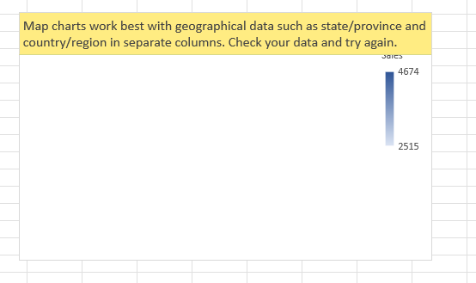
States | Sales
 | 4674
 | 4575
 | 4374
 | 2515
 | 3500
 | 5000

Country | Population (Cr)
 | 140
 | 33
 | 7
 | 141
 | 21
 | 2

